INPUT
DQ model |  | INPUT | = Assumptions |  |  |  | CASE | STONES
 |  | $45.00 | /bbl, EXPECTED OIL price CONSTANT REAL DOLLARS |  |  |  |  |  | $56.99 | 2019
STAY the Course |  | $30.00 | /bbl, LOW OIL price |  |  |  |  |  | $65.23 | 2018
 |  | $60.00 | /bbl, HIGH OIL price |  |  |  |  |  | $50.80 | 2017
 |  |  |  |  |  |  |  |  | $43.29 | 2016
 |  | $15.00 | /bbl, OPEX etc. for subsea |  |  |  |  |  | $48.66 | 2015
 |  | $6.00 | /bbl, OPEX etc. for dry tree option |  |  |  |  |  | $52.99

 |  | 50,000,000 | bbls, reserves left to produce AFTER decision implemented

ENHANCE subsea |  | $1,300 | M, new CAPEX, expected (2 recomps, 3 ST's + SS pump)
 |  | $1,000 | low CAPEX (note - 5 recomps + subsea pump at JSM ~$300M)
 |  | $1,750 | high CAPEX (note - 5 ST's + subsea pump at JSM ~$300M)
 |  | 50% | SUBSEA recovery ENHANCEMENT, expected
 |  | 17% | recovery ENHANCEMENT, LOW (= Expected/3)
 |  | 100% | recovery ENHANCEMENT, HIGH (= Expected*2)

 |  | $20.00 | /bbl SALES price, EXPECTED… covers cost of FPSO
SELL (100%) |  | $15.00 | /bbl SALES price, LOW
 |  | $25.00 | /bbl SALES price, HIGH… quick sale (<<2yrs) means >50Mbbls reserves

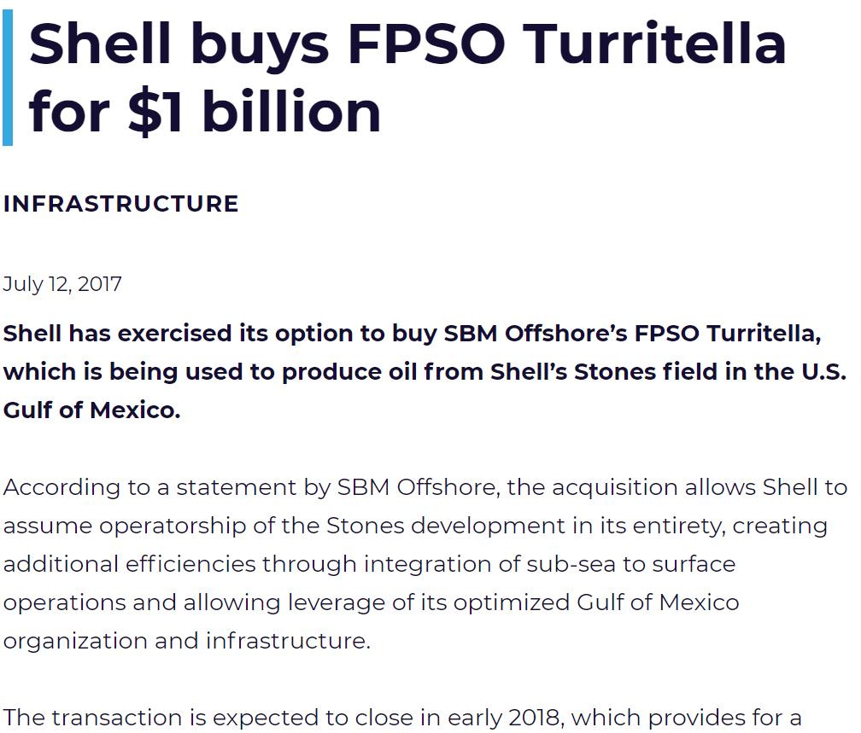
 | Expected | $1,600 | M, new CAPEX, expected |  | 100% | Expected Reserves INCREASE
RESCUE |  | $1,200 | low CAPEX (w/ 5 Re-comps) |  |  | 100% | more than "ENHANCE"
 |  | $1,900 | high CAPEX (w/5 ST's) |  | 33% | low INCREASE (Exp'd/3)
 |  |  |  |  | 200% | high INCREASE (Exp'd*2)
RESCUE COSTS |  | FrPS | qtty
 |  | flowlines to FPSO | 2
 |  | TIEBACK | 5
 |  | Recompletions | 2 | used on "FrPS RESCUE costs" worksheet
 |  | Sidetracks | 3 | used on "FrPS RESCUE costs" worksheet
 |  | equals | 5 | wells

DQ Model
DQ model |  |  |  |  |  | CASE | STONES

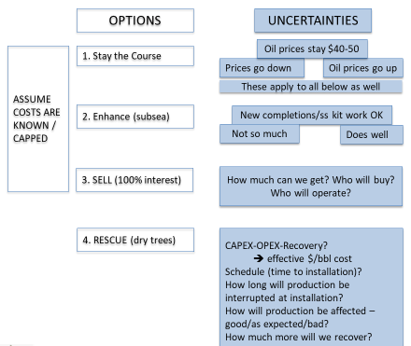
 | TOTAL PRODUCED |  | net REVENUE |  | Probability |  | Expected "Value"
 |  |  | $2,250,000,000 | high | 30%
STAY THE COURSE | 50,000,000 | bbls | $1,500,000,000 | Expected | 40% |  | $1,500,000,000
 | see INPUT sheet |  | $750,000,000 | low | 30%

 |  |  | net REVENUE
ENHANCE | 100,000,000 | bbls | $2,750,000,000 | high | 30%
 | 75,000,000 | bbls | $950,000,000 | Expected | 40% |  | $1,167,500,000
 | 58,333,333 | bbls | -$125,000,000 | low | 30%
 |  |  | ASSUMING perfect correlation between recovery & CAPEX and CAPEX & Price
 |  | RATIONALE: Spending more yields more bbls; but spending is constrained by OIL PRICE

 |  |  | net REVENUE
 |  |  | $1,250,000,000 | high | 30%
SELL | 50,000,000 | bbls | $1,000,000,000 | Expected | 40% |  | $1,000,000,000
 |  |  | $750,000,000 | low | 30%

RESCUE | ASSUMING perfect correlation between recovery & CAPEX
 |  | RATIONALE: Sidetracks cost more but access NEW RESERVES
 |  |  | net REVENUE
 |  |  | $6,200,000,000 | 30% | EV accounting for
HIGH | 150,000,000 | bbls | $3,950,000,000 | 40% | $3,950,000,000 | 30%
 | w/ 5 ST's |  | $1,700,000,000 | 30% | Oil Price risk
 |  |  |  |  |  |  | EV
 |  |  | $3,800,000,000 | 30% |  |  | accounting for
EXPECTED | 100,000,000 | bbls | $2,300,000,000 | 40% | $2,300,000,000 | 40% | $2,525,000,000
 | w/ 2 Re-comps, 3 ST's |  | $800,000,000 | 30% |  |  | reservoir mgt
 |  |  |  |  |  |  | needs
 |  |  | $2,400,000,000 | 30% |  |  | uncertainty
LOW | 66,666,667 | bbls | $1,400,000,000 | 40% | $1,400,000,000 | 30%
 | w/ 5 Re-comps |  | $400,000,000 | 30%

Sidetracks-Recomps
STONES RESCUE comparison |  | Redrill Comparison between Subsea and FrPS
TOTAL COST ALL WELLS | Wells |  | w/o Abandon | w/ Abandon
Recomp Qtty (from INPUT worksht) | 0 | FrPS | $918,000,000 | $1,148,400,000 | FrPS savings
Sidetrack Qtty (from INPUT worksht) | 9 | Subsea | $1,760,400,000 | $2,019,600,000 | $842,400,000 | $871,200,000 |  | Subsea
Total | 9 | HP Subsea | $3,154,500,000 | $3,640,500,000 | $2,236,500,000 | $2,492,100,000 |  | HP Subsea
 |  |  |  |  | w/o Abandon | w/ Abandon
ROY, 20200908
Here are some more updates.
Average of 4 developments = 8 completions for $7.14B
For 5 completions = $4.48B
FrPS = 5 completions for $2.53B
Recovery from first completion is about 28M bbls
Recovery from first completion + redrill and recompletion = 60.5M bbls.
The cost of 5 subsea redrills (with 1 sidetrack each) = $2,072M
The Cost of 5 FrPs redrils (with 1 sidetrack each) = $890M
Cost of 5 subsea with redrills = $6.55B
Cost of 5 FrPs with redrills = $3.42B
MODU dayrate | $800,000
HP-MODU dayrate | $1,500,000
FrPS dayrate | $400,000
 | HP Subsea w/ sidetrack and new recompletion | Subsea with sidetrack and new recompletion | FrPS Rescue w/ sidetrack and new completion | FrPS Rescue - recompletion ONLY | Subsea recompletion ONLY | HP Subsea w/ recompletion | FrPS Rescue - 2nd sidetracks and new completion
Kill Well, Retrieve Tree | 7 | 7 | 7 | 7 | 7 | 7 | 2 | MODU
Run Riser and BOP (retrieve for FRPS case) | 5 | 5 | 6 | 6 | 6 | 6 | 0 | MODU
Pull Tbg Hgr and Completion | 14 | 14 | 14 | 14 | 14 | 14 | 14 | MODU
Clean out and Plug back well | 10 | 10 | 5 | 5 | 5 | 5 | 10 | MODU
Install FrPS Outer Producton Riser and Surface BOP |  |  | 5 | 5 |  |  | 0 | FrPS
Pull Production Tieback | 5 | 5 | 5 |  | 0 | 0 | 0 | FrPS
Plug Back and Cut Window in Protective Casing | 5 | 5 | 5 |  | 0 | 0 | 5 | FrPS
K0 and Drill 10000 Re-drill | 72 | 72 | 72 | 0 | 0 | 0 | 72 | FrPS
Log and Core | 10 | 10 | 10 | 0 | 0 | 0 | 10 | FrPS
Run Production Casing and tieback | 10 | 10 | 10 | 0 | 0 | 0 | 8 | FrPS
Run FrPS Inner Production Riser |  |  | 3 | 3 |  |  | 0 | FrPS
Recomplete | 95 | 95 | 90 | 90 | 95 | 95 | 90 | FrPS
Pull Marine Riser and Subsea BOP | 5 | 5 |  |  | 5 | 5
Run Subsea Tree, Hook uP and Clean up | 5 | 5 |  |  | 5 | 5
TOTAL DAYS | 243 | 243 | 232 | 130 | 137 | 137 | 211 | DAYS

New Tree and Chokes | $15,000,000 | $10,000,000 | $2,000,000 | $2,000,000 | $10,000,000 | $15,000,000 | $2,000,000
Completion tangibles | $25,000,000 | $20,000,000 | $20,000,000 | $20,000,000 | $20,000,000 | $25,000,000 | $20,000,000
Sum with MODU | $404,500,000 | $224,400,000 | $127,600,000 | $86,800,000 | $139,600,000 | $245,500,000 | $116,800,000
Sum with FrPS Only |  |  | $102,000,000 | $61,200,000 |  |  | $106,400,000
Sum without abandonment burden | $350,500,000 | $195,600,000 |  |  | $114,000,000 | $197,500,000
Abandonment COST | $54,000,000 | $28,800,000 | $25,600,000 | $25,600,000 | $25,600,000 | $48,000,000 | $10,400,000

2018 RBS Costing for TOTAL
Mad Dog 2 |  | 20K Subsea |  |  |  |  |  |  |  |  | APS | 20K Subsea | MD2
 |  |  |  | Project Category | Frontier APS - 5 Wells |  | 20K Subsea - 5 Wells |  | Mad Dog 2 - 20 Wells | Facilites | $1,157,948,320 | $2,662,047,200 | $5,132,606,400
Hull and Topsides | $1,300,000,000 | Hull and Topsides | $1,100,000,000 | Hull and Topsides | $380,000,000 |  | $1,100,000,000 |  | $1,300,000,000 | Drilling and Completion | $1,128,920,000 | $1,868,200,000 | $3,428,400,000
Installation | $250,000,000 | Installation | $250,000,000 | Installation | $110,000,000 |  | $250,000,000 |  | $250,000,000 | Export | $170,000,000 | $330,000,000 | $330,000,000
HUC | $150,000,000 | HUC | $150,000,000 | HUC | $75,000,000 |  | $150,000,000 |  | $150,000,000 | Installation and HUC | $185,000,000 | $400,000,000 | $400,000,000
Mooring System | $150,000,000 | Mooring System | $150,000,000 | Mooring System | $150,000,000 |  | $150,000,000 |  | $150,000,000
Subsea (24 wells) | $2,160,000,000 | Subsea (5 wells) | $550,000,000 | Well Systems/Subsea | $195,000,000 |  | $550,000,000 |  | $2,160,000,000
FID Cost
Drilling/Completion Tangibles | $960,000,000 | Drilling/Completion Tangibles | $200,000,000 | Drilling/Completion Tangibles | $150,000,000 |  | $200,000,000 |  | $960,000,000 |  | $2,641,868,320 | $5,260,247,200 | $9,291,006,400
Well Construction | $2,468,400,000 | Well Construction | $1,668,200,000 | Well Construction | $978,920,000 |  | $1,668,200,000 |  | $2,468,400,000
Export Pipelines - 2 x 12" x 60 miles | $300,000,000 | Export Pipelines - 2 x 12" x 60 miles | $300,000,000 | Export Pipelines 2 x 60 miles | $150,000,000 |  | $300,000,000 |  | $300,000,000
Export Risers | $30,000,000 | Export Risers | $30,000,000 | Export Risers | $20,000,000 |  | $30,000,000 |  | $30,000,000
Engineering & Prj Mgt @ 4% | $310,736,000 | Engineering & Prj Mgt @ 4% | $175,928,000 | Engineering & Prj Mgt @ 4% | $88,356,800 | $17,671,360 | $175,928,000 | $11,728,533.33 | $310,736,000
Contingency @15% | $1,211,870,400 | Contingency @15% | $686,119,200 | Contingency @15% | $344,591,520 | $34,459,152 | $686,119,200 | $159,074,613 | $1,211,870,400

Total | $9,291,006,400 | Total | $5,260,247,200 | Total ---> | $2,641,868,320 |  | $5,260,247,200 |  | $9,291,006,400

Comparison of FID Costs for 5 Well Lower Tertiary Development
 | Hull and Topsides | Installation | HUC | Mooring System | Well Systems/Subsea | Drilling/Completion Tangibles | Well Construction | Export Pipelines 2 x 60 miles | Export Risers | Engineering & Prj Mgt @ 4% | Contingency @15%
Frontier APS - 5 Wells | $380,000,000 | $110,000,000 | $75,000,000 | $150,000,000 | $195,000,000 | $150,000,000 | $978,920,000 | $150,000,000 | $20,000,000 | $88,356,800 | $344,591,520
 |  |  |  |  |  |  |  |  |  | $17,671,360 | $34,459,152
20K Subsea - 5 Wells | $1,100,000,000 | $250,000,000 | $150,000,000 | $150,000,000 | $550,000,000 | $200,000,000 | $1,668,200,000 | $300,000,000 | $30,000,000 | $175,928,000 | $686,119,200
 |  |  |  |  |  |  |  |  |  | $11,728,533 | $159,074,613
Mad Dog 2 - 20 Wells | $1,300,000,000 | $250,000,000 | $150,000,000 | $150,000,000 | $2,160,000,000 | $960,000,000 | $2,468,400,000 | $300,000,000 | $30,000,000 | $310,736,000 | $1,211,870,400
 |  |  |  | Well Cost Drilling | $145,146,857 |  | $240,197,143
 |  |  |  | Well Cost Completion | $80,637,143 |  | $133,442,857

 |  |  |  | Total | $225,784,000 |  | $373,640,000

 |  |  |  | Drilling Cost Per Quarter | $72,573,429 |  | $120,098,571
 |  |  |  | Completion Cost Per Quarter | $80,637,143 |  | $133,442,857

 |  |  |  | Hull and Topsides | $380,000,000 |  | $1,100,000,000
 |  |  |  | Mooring System | $150,000,000 | $530,000,000 | $150,000,000 | $83,333,333.33
 |  |  |  | Installation and Hook up | $185,000,000 | $46,250,000 | $400,000,000
 |  |  |  | Well Systems and Subsea | $195,000,000 |  | $550,000,000
 |  |  |  | Export System | $170,000,000 | per well | $330,000,000 | $82,500,000
 |  |  |  | Well Construction | $1,128,920,000 | $225,784,000 | $1,868,200,000
 |  |  |  | Engineering Mgt and Contingency | $432,948,320 |  | $862,047,200
 |  |  |  | Total | $2,641,868,320 |  | $5,260,247,200

D&C costs-data
from ROY 20200827 - I have been able to locate this same information in a couple of different articles.
Looks like the initial project sanction of the [JSM] subsea system included 12 wells, manifolds, pumps, controls, flowlines, chokes etc. for $2.5 billion or 2500000000/12 = $200M per well. Combined with the drilling and completion costs of about $250 - $300 per well, the total cost of subsea producer with SURF is about $500M per well. We probably should note these references in the paper, so people know where they came from.
For a dry tree well, assume ½ the drilling takes place with a MODU finished by the FrPS = 85 days * 800000$/day + 85*400000$/day + $20M for tangibles = $122M. Completion by the FrPS 90 days*400000$/day+$20M for tangibles = $56M. Total FrPS well cost = $178M
As far as estimated recovery for a subsea well, if we look at Stones, you could assume that a well starts around 15,000 bbl/day and declines about 165 bbls/day/per month, hence the life of one well is less than 7 years and estimated recovery is 20,680,000 bbls per well
Then on 20200828 -
I don’t think that the well will continue to produce down to less than 1,000 bbl per day and it is very likely that completion problems may shut the well in sooner. At rates below a few thousand bbls per day a recompletion and redrill may not be economic.
Also, looking at the spreadsheet, it looks like through the end of 2019 Shell had drilled at least 20 wellbores (including sidetracks) on Stones, but had only 7 completions or about 33% of the wells. From the production data, only 2 of those completions appear to be any good or about 10% of the wells. I added up the total drilling and completion days for a total of 2120 days or about 2120*1100000+(16*20000000+7*20000000) = $2,792,000,00 drilling and completion dollars for 2 decent completions.
DRILLING & COMPLETION and Tieback COSTS
INPUT
 | All Up MODU day rate | $800,000 |  | Subsea TIEBACK | $200,000,000 | per well
 | All Up 20k MODU rate | $1,500,000 |  | Subsea TIEBACK | $260,000,000 | per 20k well
 | All Up FrPS day rate | $400,000 |  | DRY TREE Tieback | $15,000,000 | per well
 |  |  |  | Tangibles | $40,000,000 | covers both D&C
 | Subsea Well COSTS |  |  |  |  | per well
 | DAYS Drilling | 170
 | DAYS Completing | 100
 | Total DAYS | 270 |  | D&C COSTS | $256,000,000 | $445,000,000
 |  |  |  | Subsea Well COSTS | $456,000,000 | $705,000,000
 |  |  |  |  | per well (incl. Tangibles & Tieback) | per 20k well
 | FrPS DRY TREE Well COSTS
 | MODU DAYS Drilling | 90 | pre-drill upper sections of well
 | FrPS DAYS Drilling | 80 | finish drilling from the FrPS
 | DAYS Completing | 100 | from the FrPS
 | Total DAYS | 270 |  | D&C COSTS | $184,000,000
 |  |  |  | FrPS DRY TREE Well COSTS | $199,000,000 | per well

OFFSHORE STAFF (20150123) - OneSubsea, through one of its predecessors, was awarded the subsea production systems contract in 2010. The scope included the delivery of 12 15,000-psi subsea wellhead trees, production controls, 4 manifolds and associated connection systems, engineering and project management.
In 2011, through another of its predecessor companies was awarded the subsea processing systems contract for 3 pump stations, 3 subsea pump control modules and associated control and instrumentation equipment.
EIA – UPSTREAM COST STUDY, IHS March 2016
Figure 9-20 shows that of the total $12 billion estimated project cost, 60% will be spent on drilling and completion of subsea wells (each costing about $240MM per well, which is a typical well cost for Lower Tertiary HPHT wells). A cost of $1.5 billion is estimated for the semisubmersible platform. A $2.5 billion subsea system cost is comprised of 4 subsea clusters, 3 flowlines connecting clusters to risers, 2 flexible risers reaching the platform, 6 water injection subsea manifolds, and one subsea pump. A HPHT resistant subsea pump costs around $300MM.
 | Field Dev COMPARISON |  |  | WET | $4,560,000,000 | $7,050,000,000
 |  | # wells | 10 | DRY | $1,990,000,000
 |  |  |  | savings | $2,570,000,000 | $5,060,000,000
 |  |  |  |  | 15ksi wells | 20ksi wells

CW Sidetrack
ROY, 20200908
Here are some more updates.
Average of 4 developments = 8 completions for $7.14B
For 5 completions = $4.48B
FrPS = 5 completions for $2.53B
Recovery from first completion is about 28M bbls
Recovery from first completion + redrill and recompletion = 60.5M bbls.
The cost of 5 subsea redrills (with 1 sidetrack each) = $2,072M
The Cost of 5 FrPs redrils (with 1 sidetrack each) = $890M
Cost of 5 subsea with redrills = $6.55B
Cost of 5 FrPs with redrills = $3.42B
FrPS sidetrack costs
 |  | SEE "RBS-sidetracks" worksheet

INPUT
 |  |  |  | Subsea TIEBACK |  | per well
 |  |  |  | Subsea TIEBACK |  | per 20k well
 | All Up FrPS day rate | $400,000 |  | DRY TREE Tieback | $15,000,000 | per well
 |  |  |  | Tangibles - DRILLING | $20,000,000 | per well
 |  |  |  | Tangibles - COMPLETION | $20,000,000 | per well

 | Subsea Well COSTS
 | DAYS Drilling | 170
 | DAYS Completing | 100
 | Total DAYS | 270 |  | D&C COSTS | $20,000,000 | $20,000,000
 |  |  |  | Subsea Well COSTS | $20,400,000 | $20,000,000
 |  |  |  |  | per well (incl. Tangibles & Tieback) | per 20k well
 | FrPS DRY TREE Well COSTS
 | MODU DAYS Drilling | 90 | pre-drill upper sections of well
 | FrPS DAYS Drilling | 80 | finish drilling from the FrPS
 | DAYS Completing | 100 | from the FrPS
 | Total DAYS | 270 |  | D&C COSTS | #REF!
 |  |  |  | FrPS DRY TREE Well COSTS | #REF! | per well

 | Field Dev COMPARISON |  |  | WET | $204,000,000 | $200,000,000
 |  | # wells | 10 | DRY | #REF!
 |  |  |  | savings | #REF! | #REF!
 |  |  |  |  | 15ksi wells | 20ksi wells

